Introduction
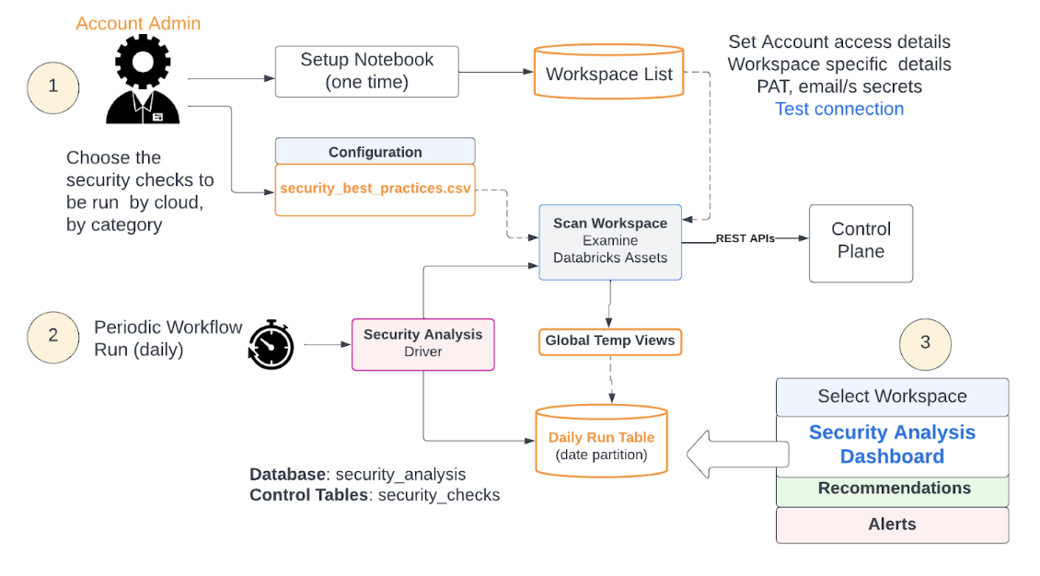
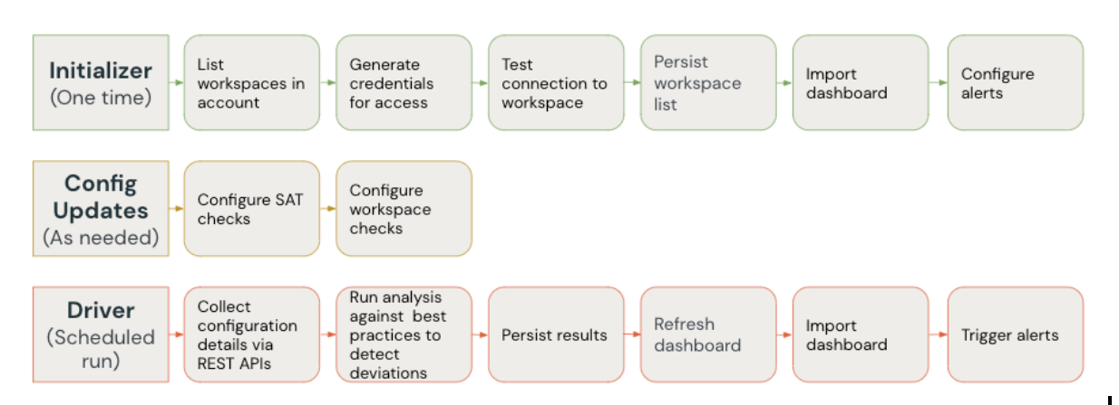
SAT - Security Analysis Tool | Securing data is an important orgaizational priority.
 | However assessing multipleworkspaces & environments can be tedious
 | to check whether their deployment is well-architected, what areas are well-fortified and which need attention is an involved task

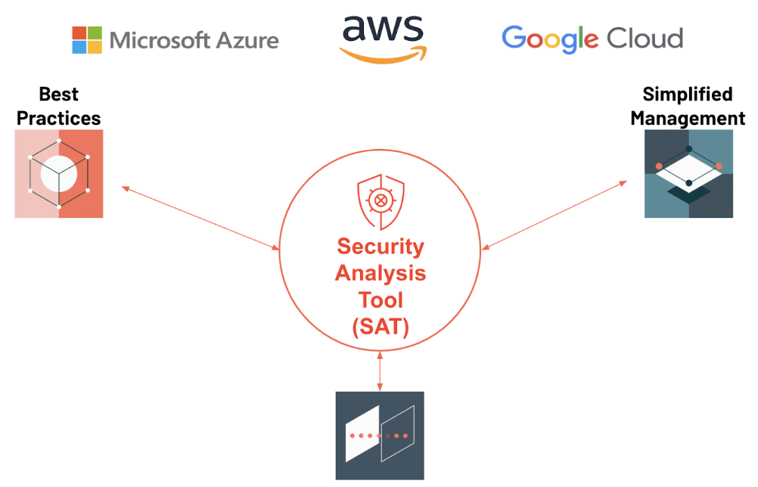
The Need for SAT | How do I know if I am following Databricks security best practices?
 | How can I easily monitor the security health of all of my account workspaces over time?

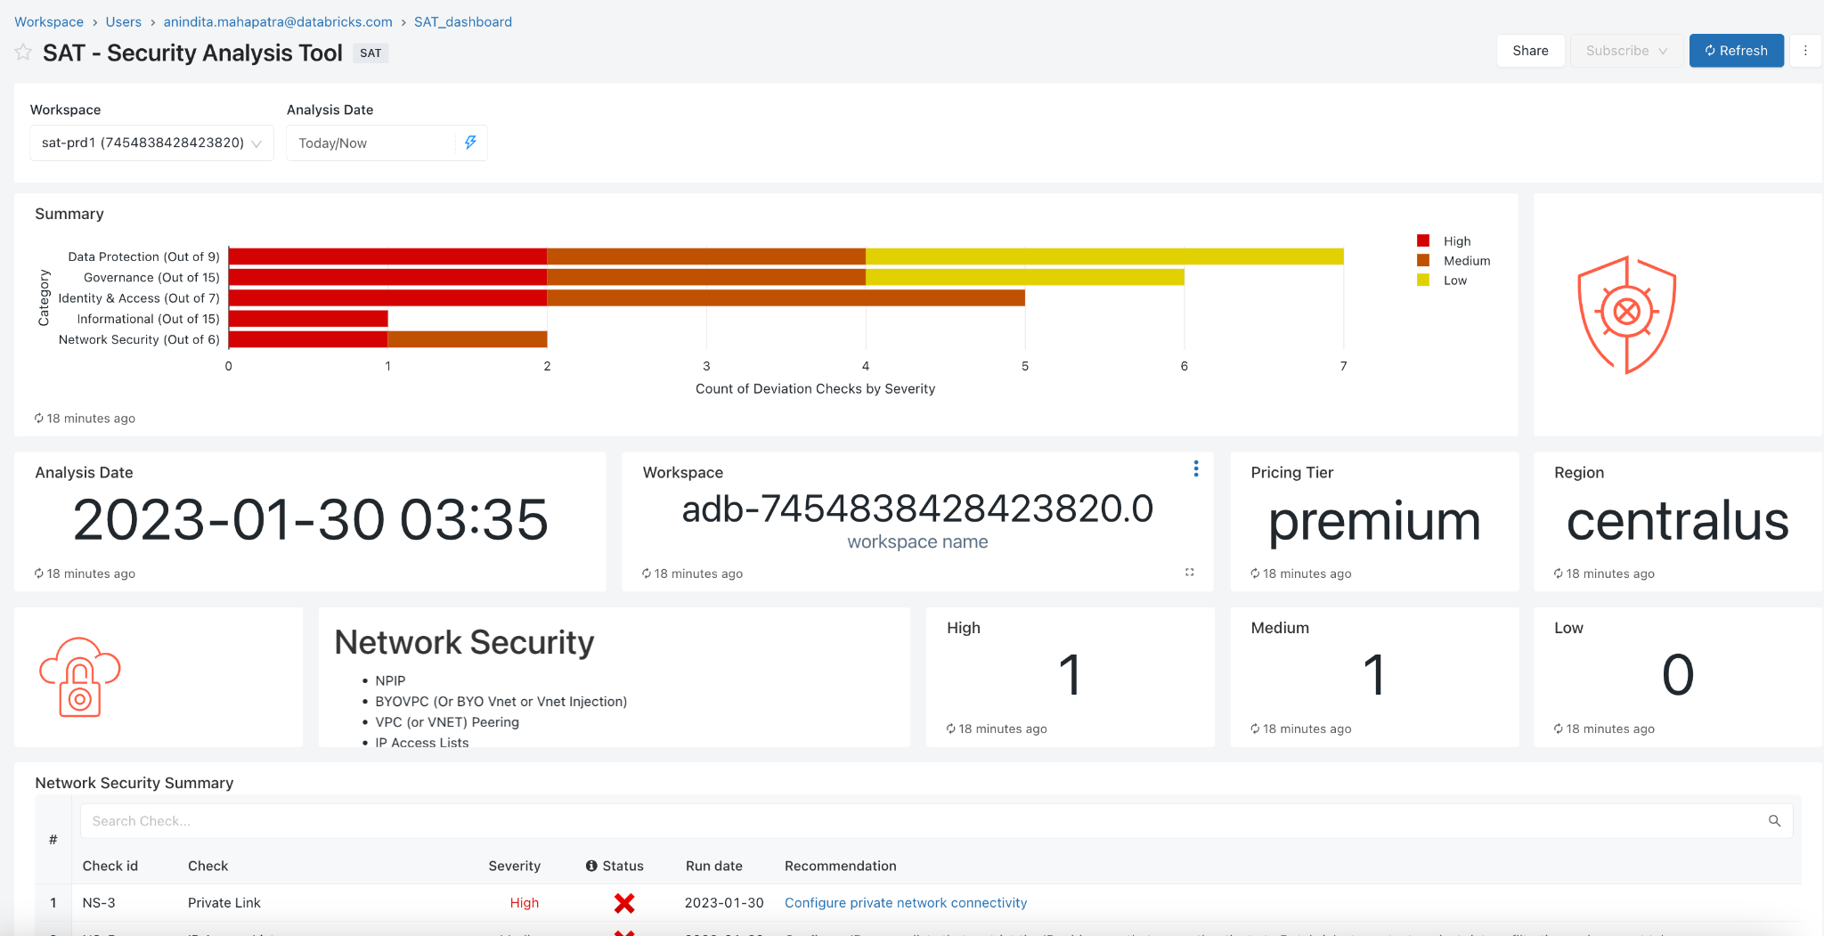
SAT Deployment

Daily SAT Workflow
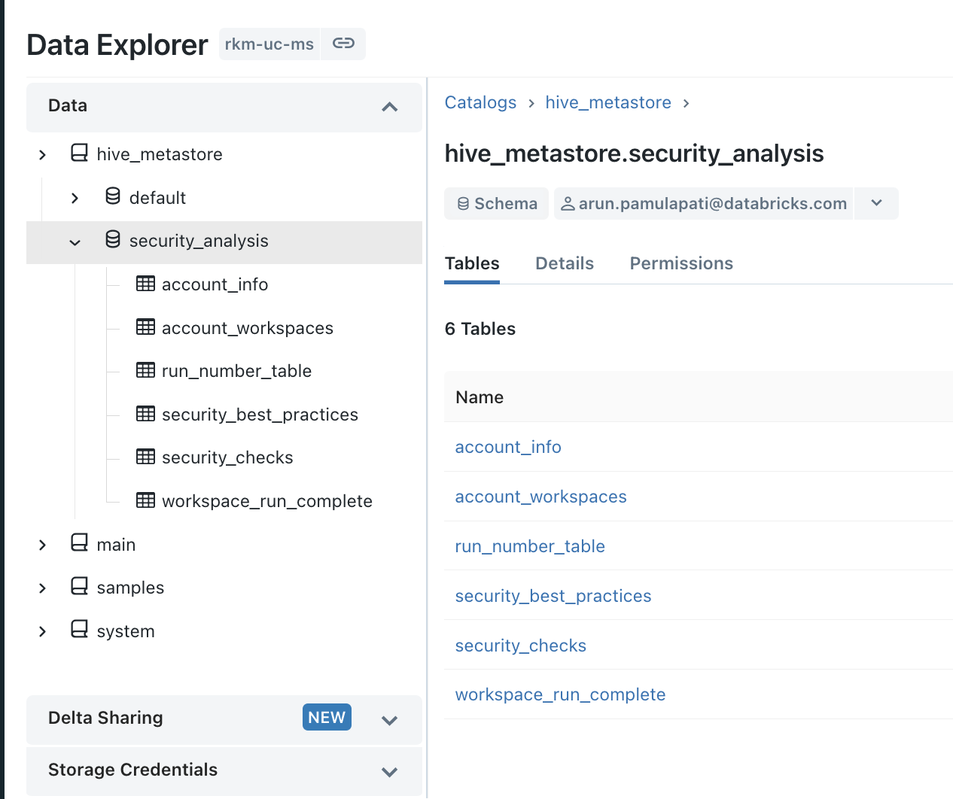
On the Databricks Portal
FALSE | Run <SATProject>/notebooks/security_analysis_driver | Note: This process takes up to 8-10 mins per workspace

FALSE | Check Execution details via Data Explorer
 | Schema: security_analysis

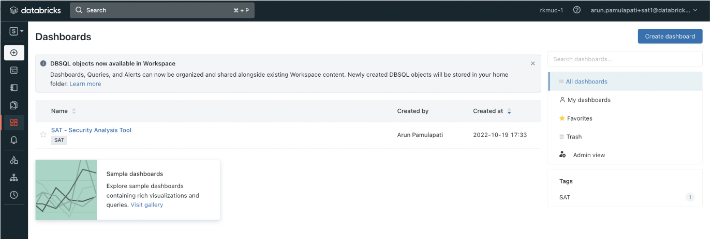
FALSE | Check Dashboard

 | Click the dashboard SAT - Security Analysis Tool

